DA Categories
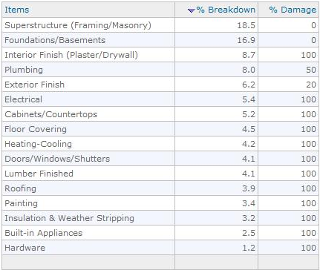
S.No | % BreakDown | S.No | %Damage
1 | Foundations_Basements | 17 | Foundations_Basements_DamagePer
2 | Superstructure_Framing_Masonry | 18 | Superstructure_Framing_Masonry_DamagePer
3 | Roofing | 19 | Roofing_DamagePer
4 | InsulationandWeatherStripping | 20 | InsulationandWeatherStripping_DamagePer
5 | ExteriorFinish | 21 | ExteriorFinish_DamagePer
6 | InteriorFinish_Plaster_Drywall | 22 | InteriorFinish_Plaster_Drywall_DamagePer
7 | Doors_Windows_Shutters | 23 | Doors_Windows_Shutters_DamagePer
8 | LumberFinished | 24 | LumberFinished_DamagePer
9 | Hardware | 25 | Hardware_DamagePer
10 | Cabinets_Countertops | 26 | Cabinets_Countertops_DamagePer
11 | Floor_Covering | 27 | Floor_Covering_DamagePer
12 | Plumbing | 28 | Plumbing_DamagePer
13 | Electrical | 29 | Electrical_DamagePer
14 | Builtin_Appliances | 30 | Builtin_Appliances_DamagePer
15 | Heating_Cooling | 31 | Heating_Cooling_DamagePer
16 | Painting | 32 | Painting_DamagePer

